Deal Screen
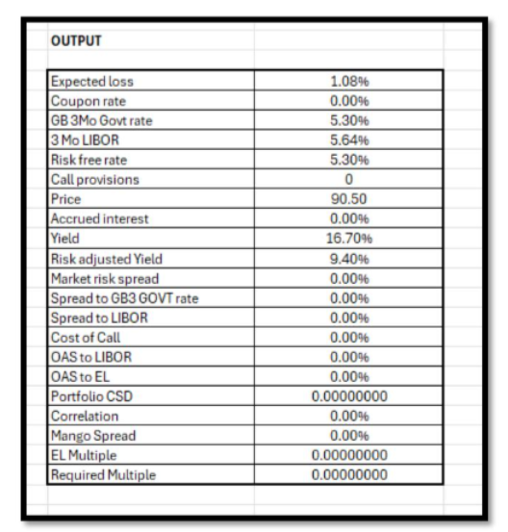
CAT Bond Deal Result Screen

CB-Four Lakes Re Ltd. Series 2024-1 Class B
American Family Mutual Insurance Co.

Issuer | Tremont Re Ltd.
Security_or_Reinsurance_Type | CAT Bond
Date of issue | 2026-03-01
Perils covered | US named storm (Massachusetts, Connecticut only)
TerritorialScope | U.S.
Vendor | AIR
Size | 100M
Trigger type | Indemnity
Loss Basis | Per Occurrence
ProgramName
Maximum Occurrence Contribution
Occurrence Attachment
Layer | 300,000,000
Aggregate Attachment | 2,500,000,000
Annual Spread Percent | 6.25%

USE ARAPL_Configuration;
SELECT D.ILSName as CATBondName,S.Sponsor as SponsorOrCedant,D.Issuer_Name as IssuerName,T.InceptionDate as DateOfIssue,D.coveredPerils as PerilCovered, D.TerritorialScope as TerritorialScope,D.Modeling_Agent as Vendor,T.PrincipalAmount as Size,T.TriggerTypeCode as TriggerType,T.LossBasis AS LossBasis, T.ProgramID AS ProgramName,T.OccurrenceLimit as MaximumOccurrenceContribution,T.OccurrenceRetention AS OccurrenceAttachment,T.AggregateLimit AS Layer, T.AggregateRetention as AggregateAttachment,T.PercentAnnualSpread AS AnnualSpreadPercent
FROM ILSData D INNER JOIN ILSTERMS T ON D.ILSINSTRUMENTID = T.ILSInstrumentID
INNER JOIN SponsorLookup S ON S.SponsorID = D.SponsorID
WHERE T.InuringSequenceNumber = 1 AND T.AnalysisSID IS NOT NULL and d.ILSInstrumentID=1

To get the Deal details we need to connect the ILSData, ILSTerms, SponsorLookup tables with a filter criteria using ILSInstrumentID. Since we want to see it in results screen for the corresponding analysis we need to link the activityid back to ILSresults and pull the ILSInstrumentID and pass it on to input for ILSInstrumentID in the filter criteria.

Result Metrics

Perspective | LossType | PerilRegionID | TemplateName | AAL | StandardDeviation | AttachProb | ExhaustProb | 25yr | 50yr | 100yr | 250yr | 500yr | 1000yr
Net Loss | AEP | 285 | WSST | 275,718 | 3,422,716 | 0.01 | - | 0 | 0 | 0 | 39,385,919 | 49,999,999 | 49,999,999
Net Loss | OEP | 285 | WSST | 275,718 | 3,422,716 | 0.01 | - | 0 | 0 | 0 | 39,385,919 | 49,999,999 | 49,999,999
Net Loss | TVAR | 285 | WSST | 275,718 | 3,422,716 | 0.01 | - | 6,892,953 | 13,785,905 | 27,571,811 | 49,178,099 | 49,999,999 | 49,999,999

USE ARAPL_Configuration
select R.Perspective AS Perspective, LossType as LossType, PerilRegionID AS PerilRegionID, TemplateName AS TemplateName,
AAL AS AverageAnnualLoss, StandardDeviation as StdDev, AttachProb as AttachProb, ExhaustProb as ExhaustProb,
[10yr] as [10yr],[25yr] as [25yr],[50yr] as [50yr],[100yr] as [100yr],[250yr] as [250yr],[500yr] as [500yr],[1000yr] as [1000yr]
from ILSResults R INNER JOIN ILSDATA D ON D.ILSInstrumentID R.ILSInstrumentID
where D.ILSInstrumentID=1

Here we pulled the results from the ILSResults for the activity ID we are interested in which link back to ILSInstrumentID

Risk Overview

Metric | Value
AnnualRiskSpread | 0.0682
Size | 150,000,000
Expected Loss % | 0.036196952636
Attachment Probability | 0.0476
Exhaustion Probability | 0.0278
Maturity Date | Monday, June 8, 2026

SELECT T.PercentAnnualSpread AS Spread, t.PrincipalAmount as Size, R.AAL/T.PrincipalAmount AS [EL%], R.AttachProb AS AttachmentProbability, R.ExhaustProb as ExhaustionProbability, D.Target_Maturity_Date
FROM ILSData D INNER JOIN ILSTERMS T ON D.ILSInstrumentID=T.ILSInstrumentID INNER JOIN ILSResults R ON D.ILSInstrumentID=R.ILSInstrumentID
WHERE T.InuringSequenceNumber=1 AND T.AnalysisSID IS NOT NULL AND R.LossType='OEP' and D.ILSInstrumentID=1

This screen pull data from ILSData, ILSTerms and ILSResults to show the Riskview for the activityID link back to ILSInstrumentID

Historical Loss

Description | ModeledIndustryLoss | ModeledLoss
1900 Galveston | 86,370,059,675 | 64,999,935
1928 Okeechobee | 193,308,763,224 | 64,999,935
1906 San Francisco CA | 108,824,657,715 | 40,020,238
1812 New Madrid Seismic Zone-Scenario 4-3 Segments Rupture | 94,750,977,735 | 50,838,327
1961 Carla | 23,300,524,720 | 2,204,882
1992 Andrew | 96,172,311,745 | 64,999,935
1915 Event 6 Louisiana | 26,797,114,640 | 4,482,206
1960 Donna | 143,552,576,229 | 22,851,482
1947 Fort Lauderdale | 103,356,130,542 | 39,431,027
1926 Great Miami | 212,585,844,040 | 64,999,935
1700 Cascadia Subduction Zone Offshore of BC | 93,216,134,670 | 2,767,522
1994 Northridge-Los Angeles CA | 24,614,906,075 | 29,905,311
2005 Katrina | 98,877,156,436 | 64,999,935
1938 Great New England | 88,605,184,231 | 60,388,312

USE ARAPL_Configuration
SELECT H.[Description] ,H.[ModeledIndustryLoss] ,H.[ModeledLoss]
FROM.[ILSHistorical] H
INNER JOIN ILSDATA D ON H.ILSInstrumentID=D.ILSInstrumentID
WHERE D.ILSInstrumentID=1
This screen connect the ILSHistorical Table to ILSData table to extract the output for the particular ILSInstrumentID. But we need to make sure ILSHistorical table is created.

Monthly AAL Contribution

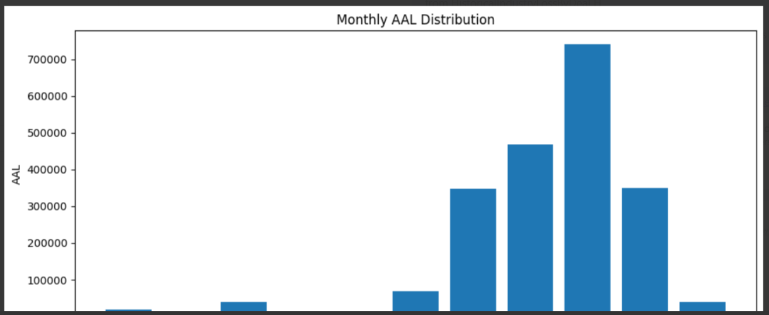

SELECT D.ILSInstrumentID, M.MonthNo, M.MonthName, U.Value
FROM
(
SELECT L.ILSInstrumentID, L.January, L.February, L.March, L.April, L.May, June, L.July, L.August, L.September, L.October, L.November, L.December
FROM [ARAPL_Analysis].[dbo].[DistributionByMonth_1] L
) AS Src
UNPIVOT
( Value FOR MonthName IN ([January], [February], [March], [April], [May], [June],[July], [August], [September], [October], [November], [December])) AS U
INNER JOIN [ARAPL_Configuration]..[ILSDATA] D ON U.ILSInstrumentID = D.ILSInstrumentID
INNER JOIN dbo.MonthDim M ON U.MonthName = M.MonthName
ORDER BY D.ILSInstrumentID, M.MonthNo;
This query helps to display the distribution by month from table stored in ARAPL_Analysis as Analysis, ActivityID. We need to use the activityID to get the data from relevant table

Seasonality Analysis

 | 2,324
 | 960
 | 37,295
 | 65,324
 | 112,356
 | 48,821
 | 8,303
 | 334

Exec [usp_CalculateSeasonality_CatbondDeal_SR] analysis_142
SELECT [MonthName], [Monthly_EL] FROM [ARAPL_Analysis].[dbo].[seasonality_142]

There is a stored procedure created to calculate seasonality. When we execute this store procedure for particular activityID to call the analysis table, Seasonality_ActivtyID get created. Here 142 is the activity ID

 | 99.2%
 | 98.8%
 | 85.3%
 | 61.6%
 | 20.8%
 | 3.1%
 | 0.1%
 | 0.0%

SELECT [MonthName] ,[Remaining_Risk]
FROM [ARAPL_Analysis].[dbo].[seasonality_142]

Once the above stored procedure is run we can get data for this chart also from the previous table.

CAT Bond Pricing
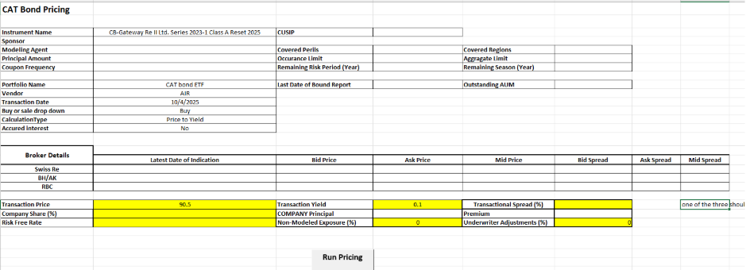

Select the result from activity monitor which needs to be priced.
There is only one result set to default for each deal.
Choose the pricing icon from the result page on top right corner.
It should populate the above screen where the below fields in the screen auto populated using the activityid connected to ILSInstrumentID and use these as inputs to filter data from ILSData and ILSTerms Table. (InstruemntName, Sponsor, ModelingAgent, Principal Amount, Coupon frequency, Coveredperils, occurrencelimit, remaining risk period)
select D.ILSName,S.Sponsor,D.Modeling_Agent,D.CouponFrequency,D.CoveredPerils,T.CusipID,T.PrincipalAmount,T.OccurrenceLimit,T.AggregateLimit
from ARAPL_Configuration.dbo.ILSData D
Inner join ILSTerms t on d.ILSInstrumentID=t.ILSInstrumentID
inner join SponsorLookup s on d.SponsorID=s.SponsorID
inner join ILSResults R on d.ILSInstrumentID=r.ILSInstrumentID
inner join ILSActivityMonitor A on a.ActivityID=r.ActivityID
where t.InuringSequenceNumber=1 and t.AnalysisSID is null and r.LossType='TVAR' and d.ILSInstrumentID=2
Then we need to pick from dropdown the Portfolio name, which auto populate Last date of report, outstanding AUM , drop down for vendor.

SELECT BP.ReportDate, BP.Vendor, BP.NotionalAUM, BP.ReportID
FROM BoundPortfolio BP
INNER JOIN Portfolio P ON BP.PortfolioID = P.PortfolioId
WHERE P.PortfolioId = 1 and P.vendor= ’AIR’ and bp.IsDefaultPortfolio=1 and bp.IsDeleted=0
AND BP.ReportDate = (
SELECT MAX(ReportDate)
FROM BoundPortfolio
WHERE PortfolioID = 1 and Vendor=’AIR’
);
Using ILSName above as input, Broker details need to be pulled and populated for latest Date of indication from all the three brokers. There is a stored procedure is created to pull the broker details based on ILSName and cusip
CATBondBrokerPrice.sql (Input ILSInstrumentName to get output)
CATBondpricingBrokerData.sql (Create table)

Fields | Table
Instrument Name | ILSData
Sponsor | ILSData
Modeling Agent | ILSData
Principal Amount | ILSData
Coupon Frequency | ILSData
CUSIP | ILSData
Covered Perils | ILSData
Remaining Risk Period (Year) | ILSData
Covered Regions | ILSData
Remaining Season (Year) | ILSData
Occurance Limit | ILSTerms
Aggragate Limit | ILSTerms
Last Date of Bound Report | PortoflioTable
Outstanding AUM | PortoflioTable
Portfolio Name | PortoflioTable
Vendor | PortoflioTable
Swiss Re | Broker Table
BH/AK | Broker Table
RBC | Broker Table

User inputs for SP:
Fields | Table
Transaction Date | User input
Buy or sale drop down | User input
CalculationType | User input
Accured interest | User input
Transaction Price | User input
Company Share (%) | User input
Risk Free Rate | User input
Premium | User input
Transactional Spread (%) | User input
Underwriter Adjustments (%) | User input

Click on Calculate icon on the bottom of the template to populate output metrics as below:
1. sp_RiskAnalyzer_Catbond_Pricing_Buy
sp_cb_MangoRequiredSpread_Calcn
sp_cb_CostOfCallOption
sp_RiskAnalyzer_Catbond_YieldGivenPrice
sp_RiskAnalyzer_Catbond_PriceGivenYield

Input
SET @BuyDate = GETDATE()
SET @BuyPrice = 90.5
SET @DesiredYield = 0.01
SET @isAccruedInterest = 1
SET @ILSInstrumentID = 6
SET @CalculationType = 'YieldGivenPrice'
SET @Fund = 1
SET @Vendor = 'AIR'
SET @GUID = 222
SET @DEBUG = 1

2. sp_RiskAnalyzer_Catbond_Pricing_Sell
sp_RiskAnalyzer_Catbond_Cashflow
INPUT
SET @ILSInstrumentId =6,
SET @SellPrice FLOAT = 90.5,
SET @SellDate DATE,
SET @SellQuantity 200,
SET @Fund =1,
SET @IRR FLOAT = NULL,
SET @CalculationType = 'YieldGivenPrice' ,
SET @Guid INT

Portfolio Results Screen
1. Bound Portfolio PML Summary

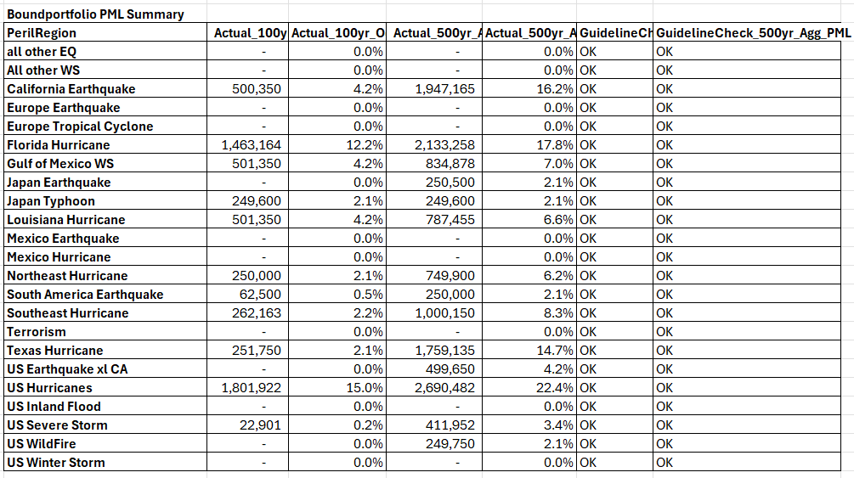

USE ARAPL_Configuration

SELECT PerilRegion, Actual_100yr_Occ_PML_Dollar, Actual_100yr_Occ_PML_Pct, Actual_500yr_Agg_PML_Dollar, Actual_500yr_Agg_PML_Pct, GuidelineCheck_100yr_Occ_PML, GuidelineCheck_500yr_Agg_PML
FROM dbo.UI_PerilRegion_PML
WHERE ExportID = '20862'
ORDER BY PerilRegion;
20862 is the random number get created while we call the stored procedure ARAPL_Configuration .dbo.arapl_getBoundPortfolioDetails

2.PnL Metrics

SELECT ColName,Expected,Yr1_11,Yr2,Yr5,Yr10,Yr25,Yr50,Yr100,Yr250,Yr500,Yr1000
FROM dbo.UI_PnL_Results
WHERE ExportID = '20862'
ORDER BY ColName

3. Portoflio Metrics

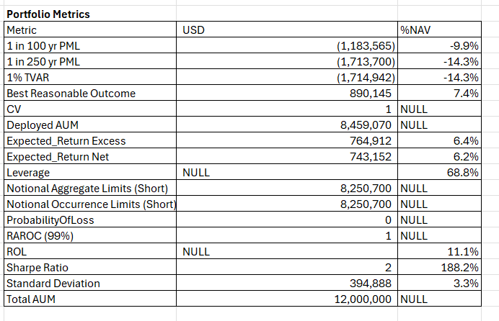

SELECT Metric,USD,[%NAV]
FROM dbo.UI_PortfolioMetics
WHERE ExportID = '20862';

4. Monthly Earning Pattern

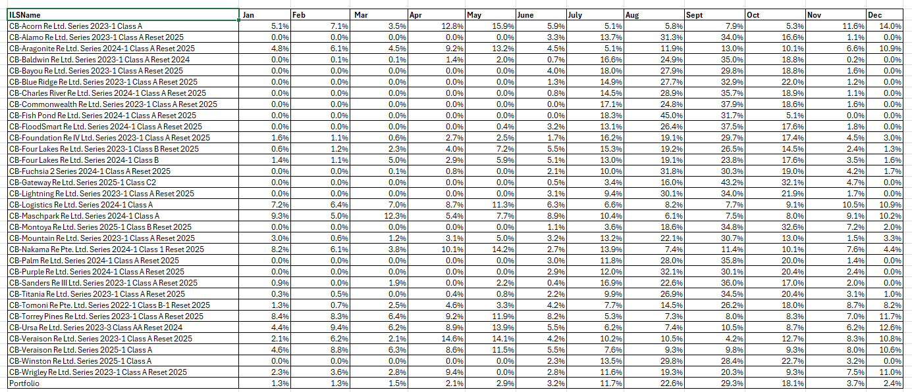

SELECT
ILSName, Jan, Feb, Mar, Apr, May, June, July, Aug, Sept, Oct, Nov, Dec
FROM dbo.UI_ILS_Monthly_AAL

5 .Gross Premium by monthly portfolio

 | 0
 | 0
 | 0
 | 0
 | 0
 | 0
 | 0
 | 0
 | 0
 | 0
 | 0
 | 0

SELECT
LEFT(DATENAME(MONTH, DATEADD(MONTH, MonthNo - 1, 0)), 3) AS Month, GrossPremium
FROM dbo.UI_ILS_Monthly_PremiumBreakup
ORDER BY MonthNo;

6. By Region By peril Portfolio Summary

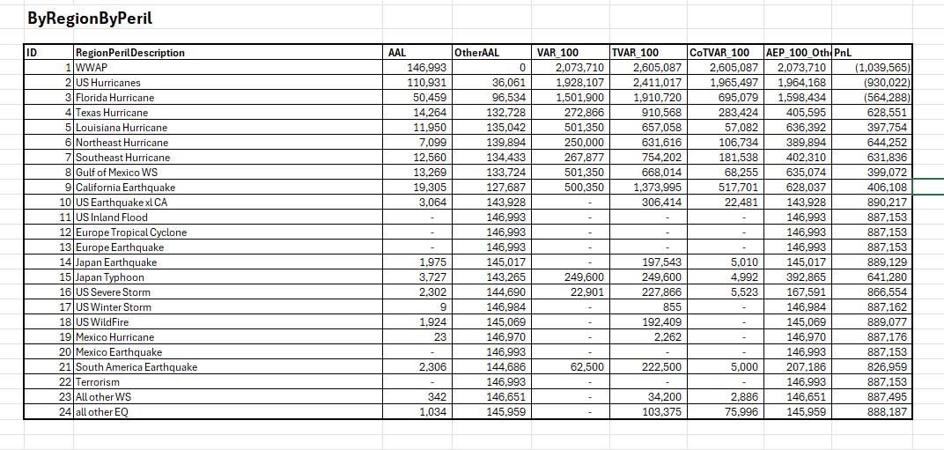

select ID,RegionPerilDescription,AAL,OtherAAL,VAR_100,TVAR_100,CoTVAR_100,AEP_100_OtherAAL,PnL from ARAPL_Works.dbo.BoundPortfolio_RegionPeril_UI_20862
order by id asc

7. EP Curve

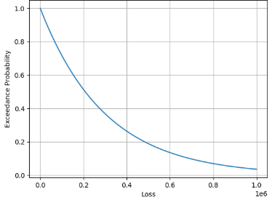

SELECT Probability, AggLoss FROM UI_EPCurve

Assumed portfolio
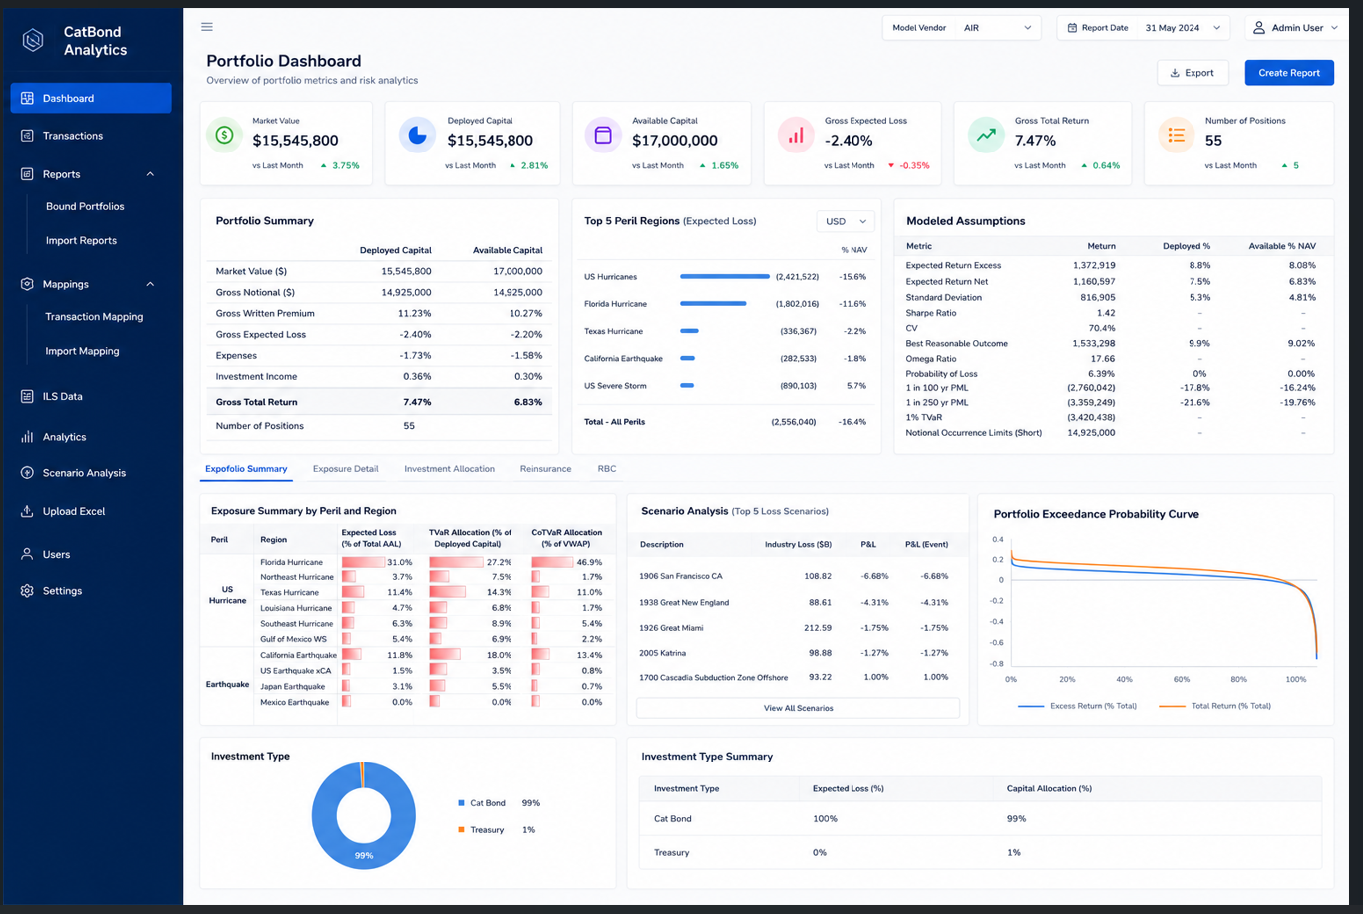
DealImportDetail
↓
DealImportMapping
↓
ILSData

DealImportReport
CREATE TABLE DealImportReport ( ImportReportID INT IDENTITY PRIMARY KEY, ReportName VARCHAR(300), ModelVendor VARCHAR(50), UploadFileName VARCHAR(500), CreatedBy VARCHAR(100), CreatedDate DATETIME DEFAULT GETDATE() )

DealImportDetail
CREATE TABLE DealImportDetail ( ImportDetailID INT IDENTITY PRIMARY KEY, ImportReportID INT, ILSName VARCHAR(500), ShareOfPrincipal DECIMAL(18,8), NormalizedILSName VARCHAR(500), MappingStatus VARCHAR(50), CreatedDate DATETIME DEFAULT GETDATE(), FOREIGN KEY (ImportReportID) REFERENCES DealImportReport(ImportReportID) )

DealImportMapping
CREATE TABLE DealImportMapping ( MappingID INT IDENTITY PRIMARY KEY, ImportDetailID INT, ILSInstrumentID INT, ModelVendor VARCHAR(50), IsActive BIT DEFAULT 1, MappedBy VARCHAR(100), MappedDate DATETIME DEFAULT GETDATE(), FOREIGN KEY (ImportDetailID) REFERENCES DealImportDetail(ImportDetailID) )

STEP 1 — Upload Excel

ILSName | ShareOfPrincipal
Sanders Re 2024 | 0.0017

STEP 2 — Create Report
insert into
DealImportReport

ImportReportID | ReportName | ModelVendor | UploadFileName
1 | Q2 Investor Portfolio | AIR | q2_portfolio.xlsx

STEP 3 — Insert Excel Rows
Insert into:
DealImportDetail

ImportDetailID | ImportReportID | ILSName | ShareOfPrincipal
1 | 1 | Sanders Re 2024 | 0.0017
2 | 1 | Nakama Re 2024 | 0.0021

STEP 4 — Search ILSData
Use:
GetILSDataMatches

STEP 5 — User Selects Match
Insert into:
DealImportMapping
MappingID | ImportDetailID | ILSInstrumentID | Vendor
1 | 1 | 5001 | AIR
2 | 2 | 5010 | AIR

STEP 6 — Update Status
UPDATE DealImportDetail SET MappingStatus = 'MAPPED' WHERE ImportDetailID = @ImportDetailID

Pull Final Report Data
SELECT r.ReportName, d.ILSName AS ImportedILSName, i.ILSName AS ModeledBondName, i.Status, i.ModelVersion, d.ShareOfPrincipal, i.ExpectedLoss, i.Spread FROM DealImportReport r INNER JOIN DealImportDetail d ON r.ImportReportID = d.ImportReportID INNER JOIN DealImportMapping m ON d.ImportDetailID = m.ImportDetailID AND m.IsActive = 1 INNER JOIN ILSData i ON m.ILSInstrumentID = i.ILSInstrumentID WHERE r.ImportReportID = @ImportReportID

Transaction V4
Portfolio Transaction screen
We need the below highlited table which help us to record association

 | Table | Purpose
New | TransactionTable | Stores trades
New | PortfolioReport | Stores reportID ,Notional AUM and other information
 | ILSData/ ILSTerms / ILSResults | Master Deal and results
New | TransactionILSMapping | Stores user-selected mapping for selected transactions

TRANSACTION Table Design |  |  |  | TRANSACTION Table View
Query to create Transaction table is:
 | CREATE TABLE TransactionTable ( TransactionID INT IDENTITY(1,1) PRIMARY KEY, PortfolioID INT, ILSName VARCHAR(500) NOT NULL, Class VARCHAR(200) , Series VARCHAR(200), ResetYear INT, Issuer VARCHAR(200), SecurityInstrument VARCHAR(100), TransactionType VARCHAR(50), TransactionDate DATE NOT NULL, Quantity DECIMAL(18,2) NOT NULL, BondPrice DECIMAL(18,4), BrokerName VARCHAR(200), BrokerPrice DECIMAL(18,4), Coupon DECIMAL(18,6), ROL DECIMAL(18,6), CompanyShare DECIMAL(18,6), CreateDate DATETIME DEFAULT GETDATE(), CreatedBy VARCHAR(100), MappingStatus VARCHAR(50) CHECK (MappingStatus IN ('Mapped', 'Pending', 'No Mapping Found')) ); |  |  | TransactionID | PortfolioID | ILSName | Class | Series | ResetYear | Issuer | SecurityInstrument | TransactionType | TransactionDate | Quantity | BondPrice | BrokerName | BrokerPrice | Coupon | ROL | CompanyShare | CreateDate | CreatedBy | Mapping Status
 |  |  |  | 1 | 1 | Nakama Re 2024-1 A | Class A | 2024 |  | Zenkyoren | CAT Bond | Buy | 2025-04-02 | 250000 | 101.32 | BH | 101 | 0.0615 | 0.0561 | 0.0005 | 2026-05-12 | SR/ARAPL | Pending
Pk | TransactionID | int |  | 2 | 1 | Montoya Re 2025-1 B | Class B | 2025 |  | Inigo Insurance | CAT Bond | Buy | 2025-04-04 | 250000 | 99.76 | RBC | 100.2 | 0.1041 | 0.1030 | 0.0025 | 2026-05-12 | SR/ARAPL | Pending
 | PortfolioID | varchar(500) |  | 3 | 1 | Blue Ridge Re 2023-1 A | Class A | 2023 |  | NC Farm Bureau | CAT Bond | Buy | 2025-04-04 | 250000 | 102.71 | BH | 102.85 | 0.0910 | 0.0767 | 0.0025 | 2026-05-12 | SR/ARAPL | Pending
 | ILSName | varchar(500) |  | 4 | 1 | Tomoni Re 2022-1 B | Class A | 2022 |  | Mitsui Sumitomo | CAT Bond | Buy | 2025-04-04 | 250000 | 99.85 | BH | 101 | 0.0670 | 0.0596 | 0.0017 | 2026-05-12 | SR/ARAPL | Pending
 | Class | varchar(200) |  | 5 | 1 | Ursa Re 2023-3 AA | Class AA | 2023 |  | CEA | CAT Bond | Buy | 2025-04-04 | 250000 | 102.96 | RBC | 103.95 | 0.0936 | 0.0712 | 0.0017 | 2026-05-12 | SR/ARAPL | Pending |  |  |  |  |  |  |  |  |  |  |  |  |  |  |  |  |  |  |  |  |  |  |  |  |  |  |  |  |  |  |  |  |  |  |  |  |  |  |  |  |  |  |  |  |  |  |  |  |  |  |  |  |  |  |  |  |  |  |  |  |  | 4 | 09 00:00:00.000 | 0 | NULL | 0 | 250000 | 0 | 355 | 0 | 1 | 0.9887 | 0.0113 | 0
 | Series | varchar(200) |  |  |  |  |  |  |  |  |  |  |  |  |  |  |  |  |  |  |  |  |  |  |  |  |  |  |  |  |  |  |  |  |  |  |  |  |  |  |  |  |  |  |  |  |  |  |  |  |  |  |  |  |  |  |  |  |  |  |  |  |  |  |  |  |  |  |  |  |  |  |  |  |  |  |  |  |  |  |  |  |  |  | 4 | 04 00:00:00.000 | 0 | NULL | 0 | 250000 | 0 | 286 | 0 | 1 | 0.9736 | 0.028 | 0.016
 | ResetYear | int |  |  |  |  |  |  |  |  |  |  |  |  |  |  |  |  |  |  |  |  |  |  |  |  |  |  |  |  |  |  |  |  |  |  |  |  |  |  |  |  |  |  |  |  |  |  |  |  |  |  |  |  |  |  |  |  |  |  |  |  |  |  |  |  |  |  |  |  |  |  |  |  |  |  |  |  |  |  |  |  |  |  | 4 | 11 00:00:00.000 | 0 | NULL | 0 | 250000 | 0 | 314 | 0 | 1 | 0.9749 | 0.0302 | 0
 | Issuer | varchar(200) |  |  |  |  |  |  |  |  |  |  |  |  |  |  |  |  |  |  |  |  |  |  |  |  |  |  |  |  |  |  |  |  |  |  |  |  |  |  |  |  |  |  |  |  |  |  |  |  |  |  |  |  |  |  |  |  |  |  |  |  |  |  |  |  |  |  |  |  |  |  |  |  |  |  |  |  |  |  |  |  |  |  | 4 | 14 00:00:00.000 | 0 | NULL | 0 | 250000 | 0 | NULL | 0 | 1 | 0.9809 | 0.02 | 0
 | SecurityInstrument | varchar(100) |  |  |  |  |  |  |  |  |  |  |  |  |  |  |  |  |  |  |  |  |  |  |  |  |  |  |  |  |  |  |  |  |  |  |  |  |  |  |  |  |  |  |  |  |  |  |  |  |  |  |  |  |  |  |  |  |  |  |  |  |  |  |  |  |  |  |  |  |  |  |  |  |  |  |  |  |  |  |  |  |  |  | 4 | 16 00:00:00.000 | 0 | NULL | 0 | 250000 | 0 | 282 | 0 | 1 | 0.9917 | 0.009 | 0.0051
 | TransactionType | varchar(50)
 | TransactionDate | date
 | Quantity | decimal(18, 2)
 | BondPrice | decimal(18, 4)
 | BrokerName | varchar(200)
 | BrokerPrice | decimal(18, 4)
 | Coupon | decimal(18, 6)
 | ROL | decimal(18, 6)
 | CompanyShare | decimal(18, 6)
 | CreateDate | datetime
 | CreatedBy | varchar(100)
 | Mapping Status | Mapped /Pending /No Mapping Found

Transaction Screen
 | Transaction screen is used to get import from the user and record it into Transaction table

 | Portfolio Name | CAT Bond ETF | Drop down to list Portfolio

 | Issuer | Zenkyoren | User key in

 | ILSName | Nakama Re Pte. Ltd. Series 2024-1 | User key in

 | Class | Class 1 | User key in

 | Series | 2024-1 | User key in

 | Reset | 2025 | User key in

 | Instrument Status | Reset/New/Impaired Partial/ Impaired Fully / Expired | Dropdown

 | Security Instrument | CAT Bond | User key in

 | Mapping status | Pending / Mapped / Not Mapped | Dropdown

 | Transaction Type | Buy | Drop Down

 | Transaction Date | 2025-04-02 | Drop Down

 | Quantity | 250,000 | User input in amount

 | BondPrice | 101.00 | User input (Number w 2 decimalplace)

 | Bond Coupon | 6.15% | User input in Percentage

 | CompanyShare | 0.0017 | User input (Number w 4 decimalplace)

 | ROL | 0.0561 | User input (Number w 4 decimalplace)

 | Broker Name | Swiss Re | Broker Drop Down

 | Broker Price | 98.5 | Auto Populate based on Broker Name in the previous selection and latest one'

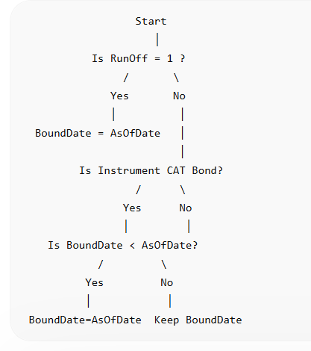
BoundPortfolio |  | Discontinued |  |  | PortfolioReport
This table already exsist but we need to Drop ReportID filed and consider ID as ReportID. Use the below two script to do that |  |  |  |  | CREATE TABLE PortfolioReport ( ReportID INT IDENTITY(1,1) PRIMARY KEY, PortfolioID INT NOT NULL, Name NVARCHAR(50) NULL, NotionalAUM FLOAT NULL, CurrencyCode NVARCHAR(510) NULL, ReportDate DATETIME NULL, Remarks NVARCHAR(2048) NULL, CreatedDate DATETIME NULL, IsDefaultPortfolio BIT NULL, IsDeleted BIT NULL, Vendor VARCHAR(255) NULL, DeployedAUM FLOAT NULL, Version NVARCHAR(25) NULL, RunOff INT NULL, IncludeExpired BIT NULL, [As of date] DATETIME NULL );
Query used to alter the table is
 | ALTER TABLE YourTableName DROP COLUMN ReportID;
 | EXEC sp_rename 'Boundportfolio.ID', 'ReportID', 'COLUMN'; |  |  |  | Reportid | PortfolioID | Name | NotionalAUM | CurrencyCode | ReportDate | Remarks | CreatedDate | IsDefaultPortfolio | IsDeleted | Vendor | DeployedAUM | Version | RunOff | IncludeExpired | As of date
 |  |  |  |  | 1 | 1 | Fund 1 | 100,000,000 | USD | 2026-05-12 |  | 2026-05-12 | 1 | 0 | AIR | 85,000,000 | 12 | 0 | 1 | 2026-05-12
Pk | Reportid | int
 | PortfolioID | int
 | Name | nvarchar(50)
 | NotionalAUM | float |  |  | Report Form
 | CurrencyCode | nvarchar(510) |  |  |  |  |  |  |  |  | Create New |  | Add to Exsisting |  | Import
 | ReportDate | datetime
 | Remarks | nvarchar(2048) |  |  |  | Name |  |  | Vendor |  |  | RunOff |  | Yes /No
 | CreatedDate | datetime
 | IsDefaultPortfolio | bit |  |  |  | Notional Aum |  |  | Version |  |  | IncludeExpired |  | Yes /No
 | IsDeleted | bit
 | Vendor | varchar(255) |  |  |  | Deployed Aum |  |  | Remark |  |  | As of date
 | DataAvailable | nvarchar(1)
 | DeployedAUM | float |  |  |  | CurrencyCode |  |  |  |  |  |  |  | Save
 | Version | nvarchar(25)
 | RunOff | int
 | IncludeExpired | bit
 | As of date | datetime |  |  | The below query help to filter deal after applying the above portfolio condition, list out all possible matches from ILSdata correspond to transaction in Transaction table when we click create New
 |  |  |  |  | SELECT TR.TransactionID, TR.ILSName AS TransactionName, D.ILSInstrumentID, D.ILSName, R.ActivityID, T.InceptionDate, T.ExpirationDate FROM [Transaction] TR CROSS APPLY ( SELECT LEFT( TR.ILSName, CHARINDEX('20', TR.ILSName) - 2 ) AS DealName, SUBSTRING( TR.ILSName, CHARINDEX('20', TR.ILSName), 6 ) AS SeriesValue ) X INNER JOIN ILSData D ON D.ILSName LIKE '%' + X.DealName + '%' AND D.ILSName LIKE '%' + X.SeriesValue + '%' INNER JOIN PortfolioReport PR ON PR.PortfolioID = TR.PortfolioID INNER JOIN ILSTerms T ON D.ILSInstrumentID = T.ILSInstrumentID INNER JOIN ILSResults R ON D.ILSInstrumentID=r.ILSInstrumentID WHERE CHARINDEX('20', TR.ILSName) > 0 AND ( PR.IncludeExpired = 1 OR T.ExpirationDate >= PR.[As of date] ) AND ( PR.RunOff = 1 OR T.InceptionDate <= PR.[As of date] ) AND T.InuringSequenceNumber = 1 AND T.AnalysisSID IS NULL AND Pr.vendor=D.Modeling_Agent AND R.LossType='OEP' ORDER BY TR.TransactionID, D.ILSName;

 |  |  |  |  | Whenver new report is getting created run the below script
 |  |  |  |  | UPDATE PortfolioReport SET IsDefaultPortfolio = 0 UPDATE PortfolioReport SET IsDefaultPortfolio = 1 WHERE ReportID = @NewReportID

 |  |  |  |  | If we need to add the new transaction to exsisting report then clcik Add to exsisiting and use the below Query which pick up incremental and add to the exsisting report under same reprot ID
 |  |  |  |  | SELECT TR.TransactionID, TR.ILSName AS TransactionName, D.ILSInstrumentID, D.ILSName, T.InceptionDate, T.ExpirationDate, PR.ReportID FROM [Transaction] TR CROSS APPLY ( SELECT LEFT( TR.ILSName, CHARINDEX('20', TR.ILSName) - 2 ) AS DealName, SUBSTRING( TR.ILSName, CHARINDEX('20', TR.ILSName), 6 ) AS SeriesValue ) X INNER JOIN ILSData D ON D.ILSName LIKE '%' + X.DealName + '%' AND D.ILSName LIKE '%' + X.SeriesValue + '%' INNER JOIN PortfolioReport PR ON PR.IsDefaultPortfolio = 1 AND PR.IsDeleted = 0 INNER JOIN ILSTerms T ON D.ILSInstrumentID = T.ILSInstrumentID WHERE CHARINDEX('20', TR.ILSName) > 0 AND ( PR.IncludeExpired = 1 OR T.ExpirationDate >= PR.[As of date] ) AND ( PR.RunOff = 1 OR T.InceptionDate <= PR.[As of date] ) AND T.InuringSequenceNumber = 1 AND T.AnalysisSID IS NULL AND NOT EXISTS ( SELECT 1 FROM TransactionILSMapping M WHERE M.TransactionID = TR.TransactionID AND M.ReportID = PR.ReportID ) ORDER BY TR.TransactionID, D.ILSName;

 |  |  |  |  | TransactionID | TransactionName | ILSInstrumentID | ActivityID | ILSName | InceptionDate | ExpirationDate | Modeling_Agent
 |  |  |  |  | 1 | Nakama Re 2024-1 A | 368 | 368 | CB-Nakama Re Pte. Ltd. Series 2024-1 Class 1 Reset 2025 | 2025-04-24 | 2028-03-31 | AIR Worldwide
 |  |  |  |  | 1 | Nakama Re 2024-1 A | 36 | 36 | CB-Nakama Re Pte. Ltd. Series 2024-1 Class 1_Expired | 2024-04-24 | 2027-03-31 | AIR Worldwide
TransactionILSMapping |  |  |  |  | 2 | Montoya Re 2025-1 B | 363 | 363 | CB-Montoya Re Ltd. Series 2025-1 Class A Reset 2025 | 2025-04-01 | 2028-03-31 | AIR Worldwide
Query to create this table is |  |  |  |  | 2 | Montoya Re 2025-1 B | 356 | 356 | CB-Montoya Re Ltd. Series 2025-1 Class A_Expired | 2025-04-01 | 2028-03-31 | AIR Worldwide
 | CREATE TABLE TransactionILSMapping ( MappingID INT IDENTITY(1,1) PRIMARY KEY, TransactionID INT NOT NULL, ILSInstrumentID INT NOT NULL, ReportID INT NOT NULL, ModelVendor VARCHAR(100), MappedBy VARCHAR(100), MappedDate DATETIME DEFAULT GETDATE(), Comments VARCHAR(MAX), ) |  |  |  | 2 | Montoya Re 2025-1 B | 364 | 364 | CB-Montoya Re Ltd. Series 2025-1 Class B Reset 2025 | 2025-04-01 | 2028-03-31 | AIR Worldwide
 |  |  |  |  | 2 | Montoya Re 2025-1 B | 357 | 357 | CB-Montoya Re Ltd. Series 2025-1 Class B_Expired | 2025-04-01 | 2028-03-31 | AIR Worldwide
PK | MappingID | INT IDENTITY(1,1) |  |  | 3 | Blue Ridge Re 2023-1 A | 286 | 286 | CB-Blue Ridge Re Ltd. Series 2023-1 Class A Reset 2025 | 2024-01-01 | 2026-12-31 | RMS
FK | TransactionID | INT |  |  | 3 | Blue Ridge Re 2023-1 A | 185 | 185 | CB-Blue Ridge Re Ltd. Series 2023-1 Class A_Expired | 2024-01-01 | 2026-12-31 | RMS
FK | ILSInstrumentID | INT |  |  | 3 | Blue Ridge Re 2023-1 A | 287 | 287 | CB-Blue Ridge Re Ltd. Series 2023-1 Class B Reset 2025 | 2024-01-01 | 2026-12-31 | RMS
FK | ReportID | INT |  |  | 3 | Blue Ridge Re 2023-1 A | 186 | 186 | CB-Blue Ridge Re Ltd. Series 2023-1 Class B_Expired | 2024-01-01 | 2026-12-31 | RMS
 | ActivityID | INT |  |  | 5 | Ursa Re 2023-3 AA | 402 | 402 | CB-Ursa Re Ltd. Series 2023-3 Class AA Reset 2024 | 2023-12-05 | 2026-11-30 | EQECAT
 | ModelVendor | VARCHAR(100) |  |  | 5 | Ursa Re 2023-3 AA | 237 | 237 | CB-Ursa Re Ltd. Series 2023-3 Class AA_Expired | 2023-12-05 | 2026-11-30 | EQECAT
 | MappedBy | VARCHAR(100) |  |  | 5 | Ursa Re 2023-3 AA | 403 | 403 | CB-Ursa Re Ltd. Series 2023-3 Class D Reset 2024 | 2023-12-05 | 2026-11-30 | EQECAT
 | MappedDate | DATETIME |  |  | 5 | Ursa Re 2023-3 AA | 238 | 238 | CB-Ursa Re Ltd. Series 2023-3 Class D_Expired | 2023-12-05 | 2026-11-30 | EQECAT
 | Comments | VARCHAR(MAX)
 |  |  |  |  | Once the possible match found we need to record the data in ILSTransaction mapping table.

 |  |  |  |  | TransactionILSMapping |  |  |  |  |  |  |  | Need to add this
 |  |  |  |  | MappingID | TransactionID | ILSInstrumentID | ReportID | ModelVendor | MappedBy | MappedDate | Comments | ActivityID
 |  |  |  |  | 1 | 1 | 368 | 1 | AIR Worldwide | SR/ARAPL | 2026-05-13
 |  |  |  |  | 2 | 2 | 363 | 1 | AIR Worldwide | SR/ARAPL | 2026-05-13
 |  |  |  |  | 3 | 3 | 286 | 1 | RMS | SR/ARAPL | 2026-05-13
 |  |  |  |  | 4 | 5 | 402 | 1 | EQECAT | SR/ARAPL | 2026-05-13

 |  |  |  |  | Once the data inserted into above table , we use the below query to push data into Boundportfoliodetails table for the transaction recorded in TransactionILSMapping table
 |  |  |  |  | INSERT INTO PortfolioReportDetails ( CipherID, ILSName, Issuer, BoundDate, ExpirationDate, SecurityInstrument, OccurenceLimit, AggregateLimit, BondPrice, COMPANYShare, PortfolioID, CUSIP, ROL, ReportID, CoverageType, TreatyType, ILSInstrumentID, Series, Class, Reset, BondCoupon, BondTransactionType, BondBuyDate, BondSellDate, Quantity, ActivityID, Front,Fronted,Lossbasis ) ( select 'CI' + CAST(M.TransactionID AS VARCHAR), D.ILSName, D.Issuer_Name, T.InceptionDate, T.ExpirationDate, Tr.SecurityInstrument, T.OccurrenceLimit, T.AggregateLimit, Tr.BondPrice, Tr.COMPANYShare, Tr.portfolioId, D.CUSIP_ID, Tr.ROL, M.ReportID, T.Coverage_Type, D.TriggerType, M.ILSInstrumentID, Tr.Series, Tr.Class, Tr.ResetYear, Tr.Coupon, Tr.TransactionType, CASE WHEN TR.TransactionType = 'Buy' THEN TR.TransactionDate ELSE NULL END AS BondBuyDate, CASE WHEN TR.TransactionType = 'Sell' THEN TR.TransactionDate ELSE NULL END AS BondSellDate, Tr.Quantity, R.ActivityID,'','','LOD' FROM [transaction] Tr inner join [TransactionILSMapping] M ON Tr.TransactionID=M.TransactionID inner join ILSDATA D on M.ILSINSTRUMENTID=D.ILSINSTRUMENTID INNER JOIN ILSTERMS T ON M.ILSINSTRUMENTID=t.ILSINSTRUMENTID inner join ILSResults R ON M.ILSINSTRUMENTID=R.ILSINSTRUMENTID WHERE T.InuringSequenceNumber=1 AND T.AnalysisSID IS NULL and LossType='AEP' )

 |  |  |  |  | PortfolioReportDetails
 |  |  |  |  | CipherID | ILSName | Issuer | Hedges | BoundDate | ExpirationDate | Fronting | SecurityInstrument | OccurenceLimit | AggregateLimit | Premium100 | COMPANYOccurenceLimit | COMPANYAggregateLimit | CollateralFronted | BondPrice | COMPANYShare | Premium | InvestedAUM | ExpectedLoss | StandardDeviation | AEP100 | AEP500 | ActualAUMPercent | SingleRiskGuideline | GuidelineCheck | InitialFees | Expenses | ExceptionApproval | portfolioId | BoundSpread | AUM | CUSIP | CollateralPremium | CollateralFee | FrontingFee | NonModeledAndCOMPANYView | LossRatio | CoTVAR100 | Return | ReturnonCoTVAR100 | Profit | AvgRateChangeProjection | TTM | ROL | Fronted | CoTVAR1000 | ReportID | OptimizationLayerID | Comments | ID | CoverageType | ContractWordingReceivedDate | ContractWordingForwardedtoAONART | AuthorizationDate | ConfirmationNoticeDate | ContractExecutedDate | TreatyType | ILSInstrumentID | BondRedemptionPrice | BondInitialSpread | Series | Class | Reset | LossBasis | Renewal | Reinstatements | CurrencyCode | BondCoupon | BondTransactionType | BondBuyDate | BondSellPrice | BondSellDate | QuantityPledged | Quantity | RealizedGain | ActivityID | NRE_ID | CurrExchangeFactor | BreakevenProbability | AttachProb | ExhaustProb
 |  |  |  |  | CI3 | CB-Blue Ridge Re Ltd. Series 2023-1 Class A Reset 2025 | Blue Ridge Re Ltd. | NULL | 2024-01-01 | 2026-12-31 | NULL | CAT Bond | 0 | 600000000 | NULL | NULL | NULL | NULL | 102.71 | 0.0025 | NULL | NULL | NULL | NULL | NULL | NULL | NULL | NULL | NULL | NULL | NULL | NULL | 1 | NULL | NULL | 096003AA6 | NULL | NULL | NULL | NULL | NULL | NULL | NULL | NULL | NULL | NULL | NULL | 0.0767 | NULL | NULL | 1 | NULL | NULL | 2138 | NULL | NULL | NULL | NULL | NULL | NULL | Indemnity | 286 | NULL | NULL | 2023 | Class A | NULL | NULL | NULL | NULL | NULL | 0.091 | Buy | 2025-04-04 00:00:00 | NULL | NULL | NULL | 250000 | NULL | 286 | NULL | NULL | NULL | NULL | NULL
 |  |  |  |  | CI2 | CB-Montoya Re Ltd. Series 2025-1 Class A Reset 2025 | Montoya Re Ltd. | NULL | 2025-04-01 | 2028-03-31 | NULL | CAT Bond | NULL | 85000000 | NULL | NULL | NULL | NULL | 99.76 | 0.0025 | NULL | NULL | NULL | NULL | NULL | NULL | NULL | NULL | NULL | NULL | NULL | NULL | 1 | NULL | NULL | 613752AD6 | NULL | NULL | NULL | NULL | NULL | NULL | NULL | NULL | NULL | NULL | NULL | 0.103 | NULL | NULL | 1 | NULL | NULL | 2139 | NULL | NULL | NULL | NULL | NULL | NULL | Industry Loss | 363 | NULL | NULL | 2025 | Class B | NULL | NULL | NULL | NULL | NULL | 0.1041 | Buy | 2025-04-04 00:00:00 | NULL | NULL | NULL | 250000 | NULL | 363 | NULL | NULL | NULL | NULL | NULL
 |  |  |  |  | CI1 | CB-Nakama Re Pte. Ltd. Series 2024-1 Class 1 Reset 2025 | Nakama Re Pte. Ltd. | NULL | 2025-04-24 | 2028-03-31 | NULL | CAT Bond | 0 | 150000000 | NULL | NULL | NULL | NULL | 101.32 | 0.0005 | NULL | NULL | NULL | NULL | NULL | NULL | NULL | NULL | NULL | NULL | NULL | NULL | 1 | NULL | NULL | 62984JAC2 | NULL | NULL | NULL | NULL | NULL | NULL | NULL | NULL | NULL | NULL | NULL | 0.0561 | NULL | NULL | 1 | NULL | NULL | 2140 | NULL | NULL | NULL | NULL | NULL | NULL | Indemnity | 368 | NULL | NULL | 2024 | Class A | NULL | NULL | NULL | NULL | NULL | 0.0615 | Buy | 2025-04-02 00:00:00 | NULL | NULL | NULL | 250000 | NULL | 368 | NULL | NULL | NULL | NULL | NULL
 |  |  |  |  | CI5 | CB-Ursa Re Ltd. Series 2023-3 Class AA Reset 2024 | Ursa Re Ltd. | NULL | 2023-12-05 | 2026-11-30 | NULL | CAT Bond | 0 | 1000000000 | NULL | NULL | NULL | NULL | 102.96 | 0.0017 | NULL | NULL | NULL | NULL | NULL | NULL | NULL | NULL | NULL | NULL | NULL | NULL | 1 | NULL | NULL | 90323WAP5 | NULL | NULL | NULL | NULL | NULL | NULL | NULL | NULL | NULL | NULL | NULL | 0.0712 | NULL | NULL | 1 | NULL | NULL | 2141 | NULL | NULL | NULL | NULL | NULL | NULL | Indemnity | 402 | NULL | NULL | 2023 | Class AA | NULL | NULL | NULL | NULL | NULL | 0.0936 | Buy | 2025-04-04 00:00:00 | NULL | NULL | NULL | 250000 | NULL | 402 | NULL | NULL | NULL | NULL | NULL

 |  |  |  |  | We need to run store procedure to populate other fields in the Boundportfolio details table and then results screen

Screen and functions
S.No | Grid | Function | Comments
1 | Sponsor ILS | Add | Mandatory fields are marked . Whenever new sponsor is added and save is cliked, it should appear on the top and sort by Name and Year (Desc). There is an issue I have seen when sorting is clicked whenevr the first letter of the sponsor is lower case.
 |  | Edit | When edit is clicked it allows to edit only if there is no deal inside the Sponsor
 |  | Delete | It should do soft delete but there should be a warning message saying that x no. of deals are part of it and it ask for one more message for confirmation

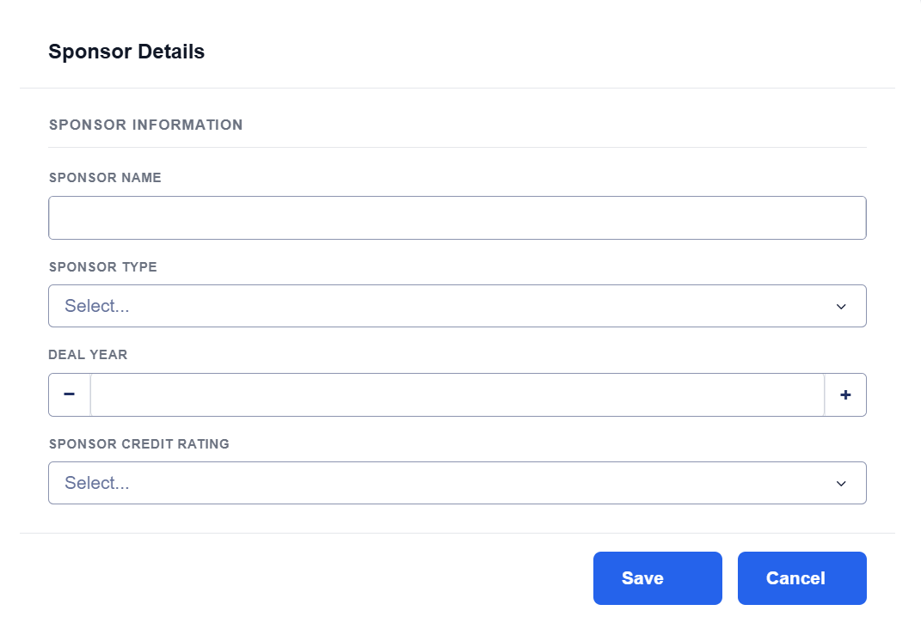

2 | ILSData | Add |  | DataAvailable Drop Down | AIR - Detailed Exposure / AIR - County level Exposure / RMS - Detailed Exposure / AIR - County level Exposure / No
 |  | Edit |  | Modeling Status | Not Started / On-Hold / In Progress /Completed
 |  | Delete |  | Security_or_Reinsurance_Type | Check Look up table
 |  | Import Loss Set |  | class, series,issuernaem,Currency and excahnge rate Mandatory
 |  | Missing Field | Class, Series,Issuer Name, Reset Date,Escrow Model,Currency,Exchange Rate
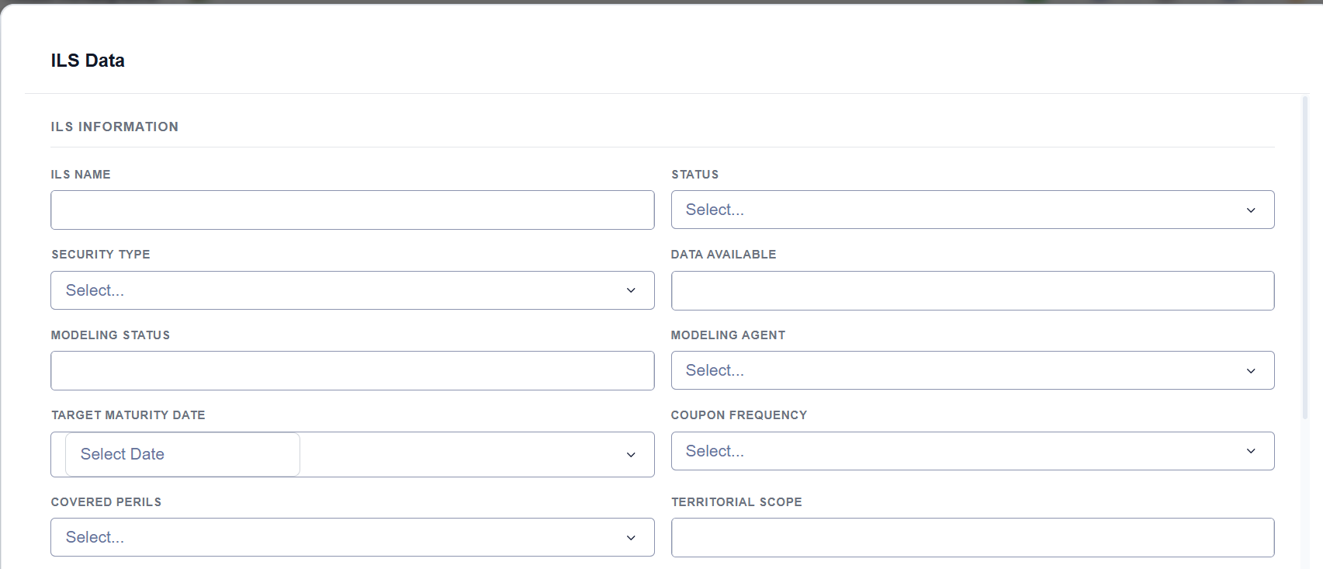

3 | ILSTerms | Same for child term as well
 | * - Mandatory
 | Missing fields | Reinsurance type code instead of secuirty type | Check Lookuop Table
 | Missing fields | PerilDescription | Check Lookup Table, Nult selection should be enabled
 | Missing fields | AppliesToAreaName | Check Lookup Table, Nult selection should be enabled

 | Based on Reinsurance type enable | AggregateLimit
 | Based on Reinsurance type enable | AggregateRetention
 | Based on Reinsurance type enable | CoinsuranceAmount
 |  | CompanyLossMaximum
 |  | CompanyLossMinimum
 |  | CusipID
 | * | ExpirationDate
 | * | InceptionDate
 |  | IndustryLossMaximum
 |  | IndustryLossMinimum
 |  | InuringSequenceNumber
 | Based on Reinsurance type enable | OccurrenceLimit
 | Based on Reinsurance type enable | OccurrenceRetention
 |  | PercentAnnualSpread
 | * | PlacedAmount
 |  | Premium
 | * | PrincipalAmount
 | * | Reinstatement
 |  | ReinstatementPremium
 | * | StartingEventNumber
 | * | PerilDescription
 | * | AppliesToAreaName
 | * | ParentRelationType
 | * | LossBasis
 | * | ProgramType

screens
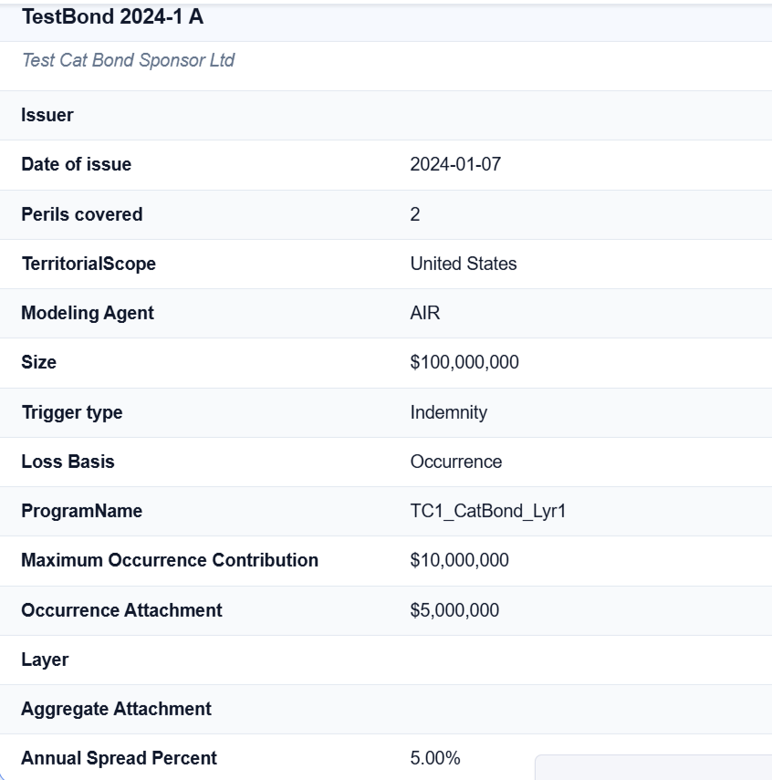
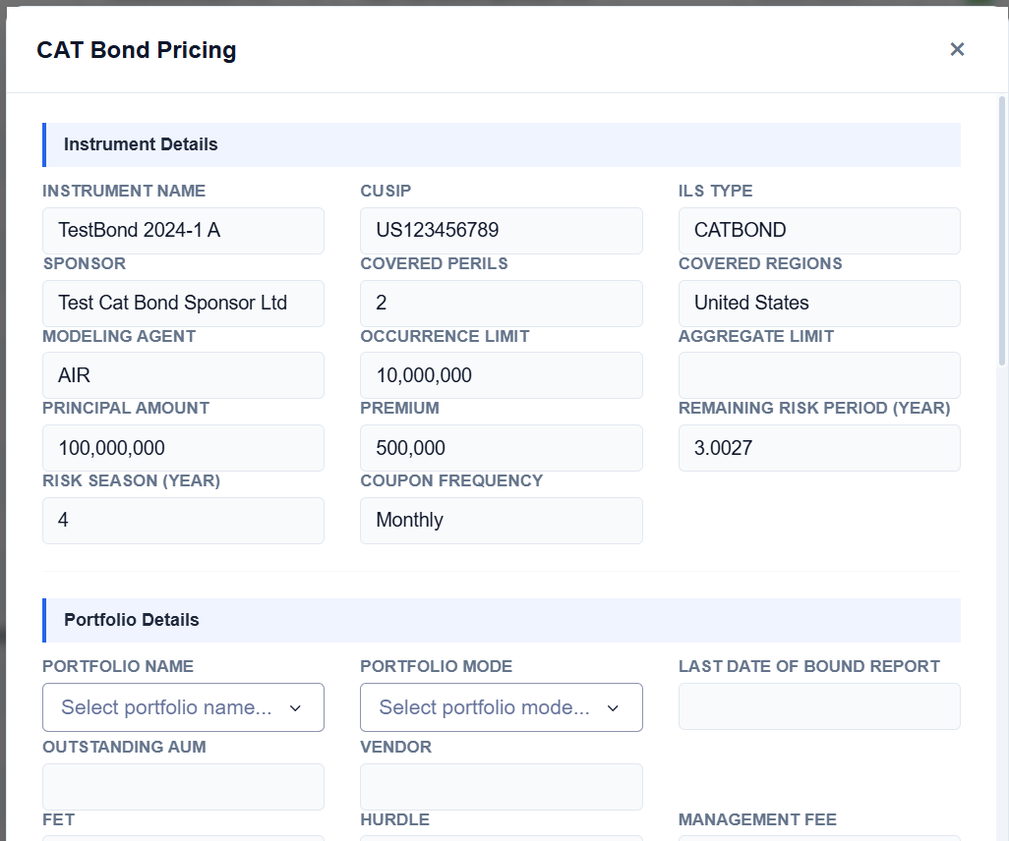
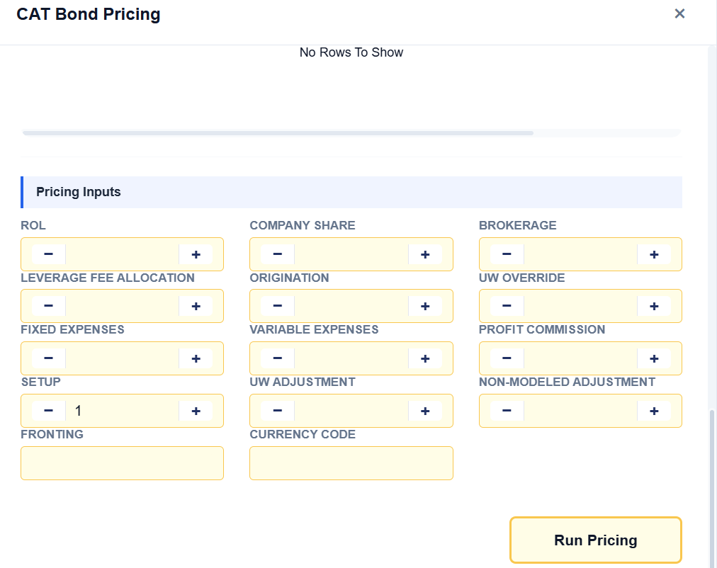
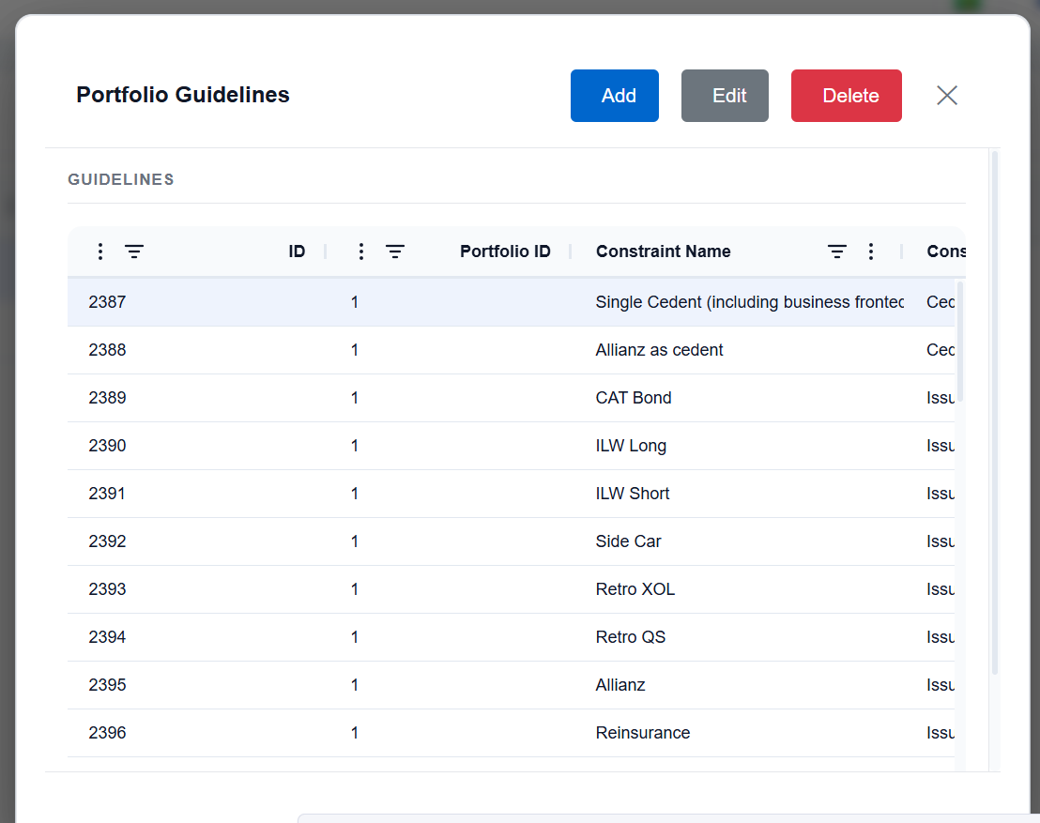
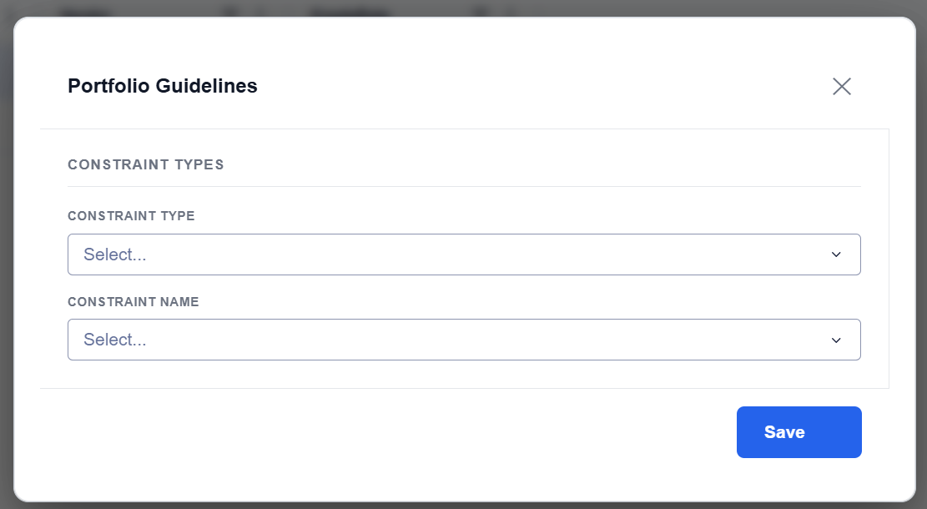
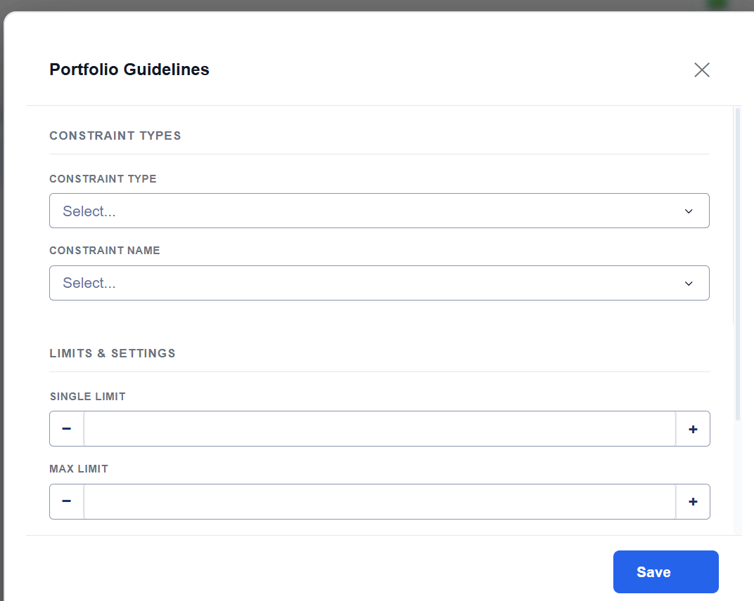
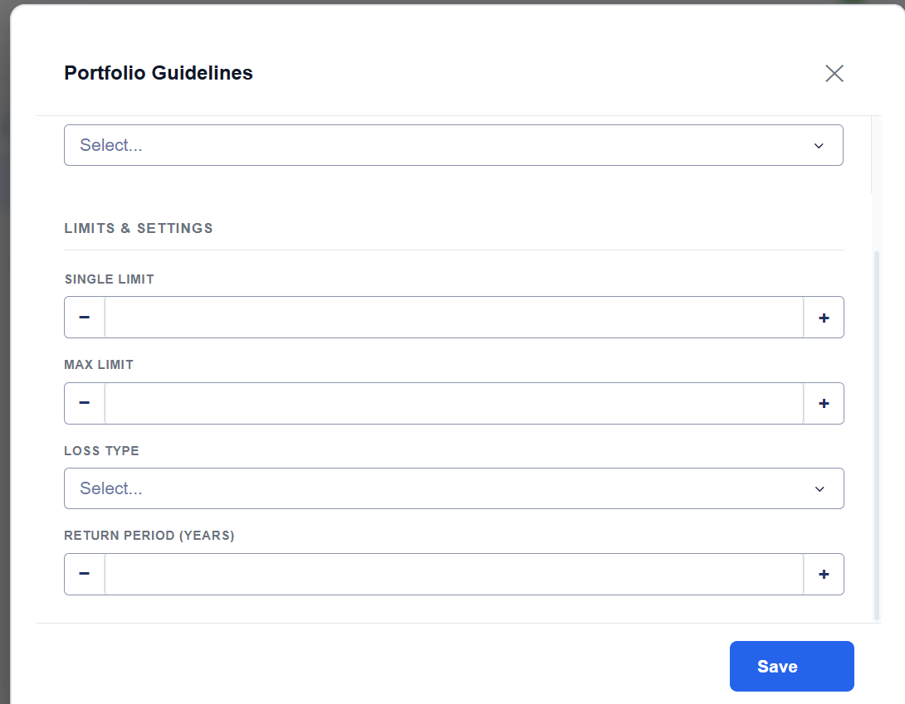
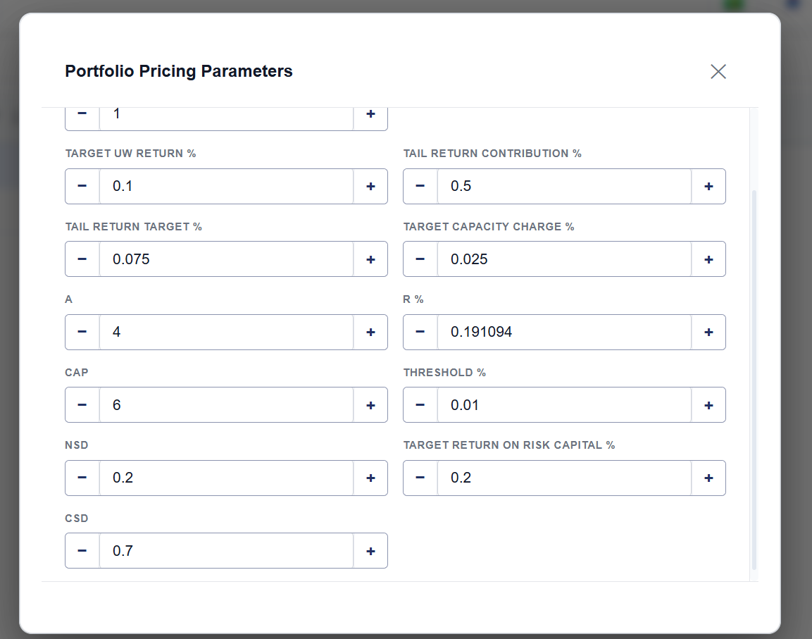
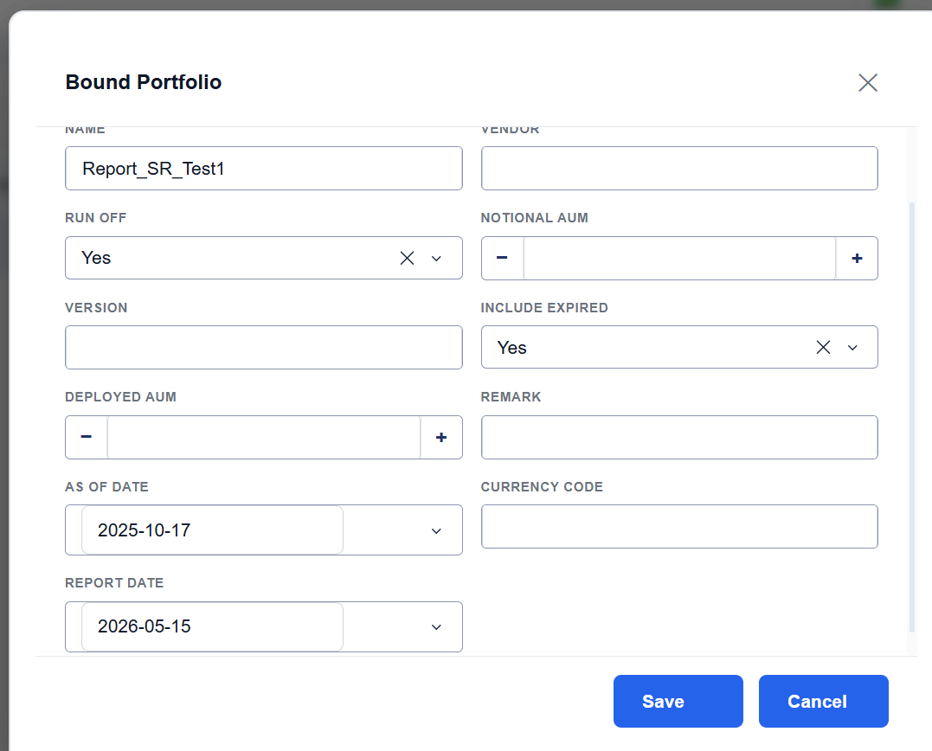
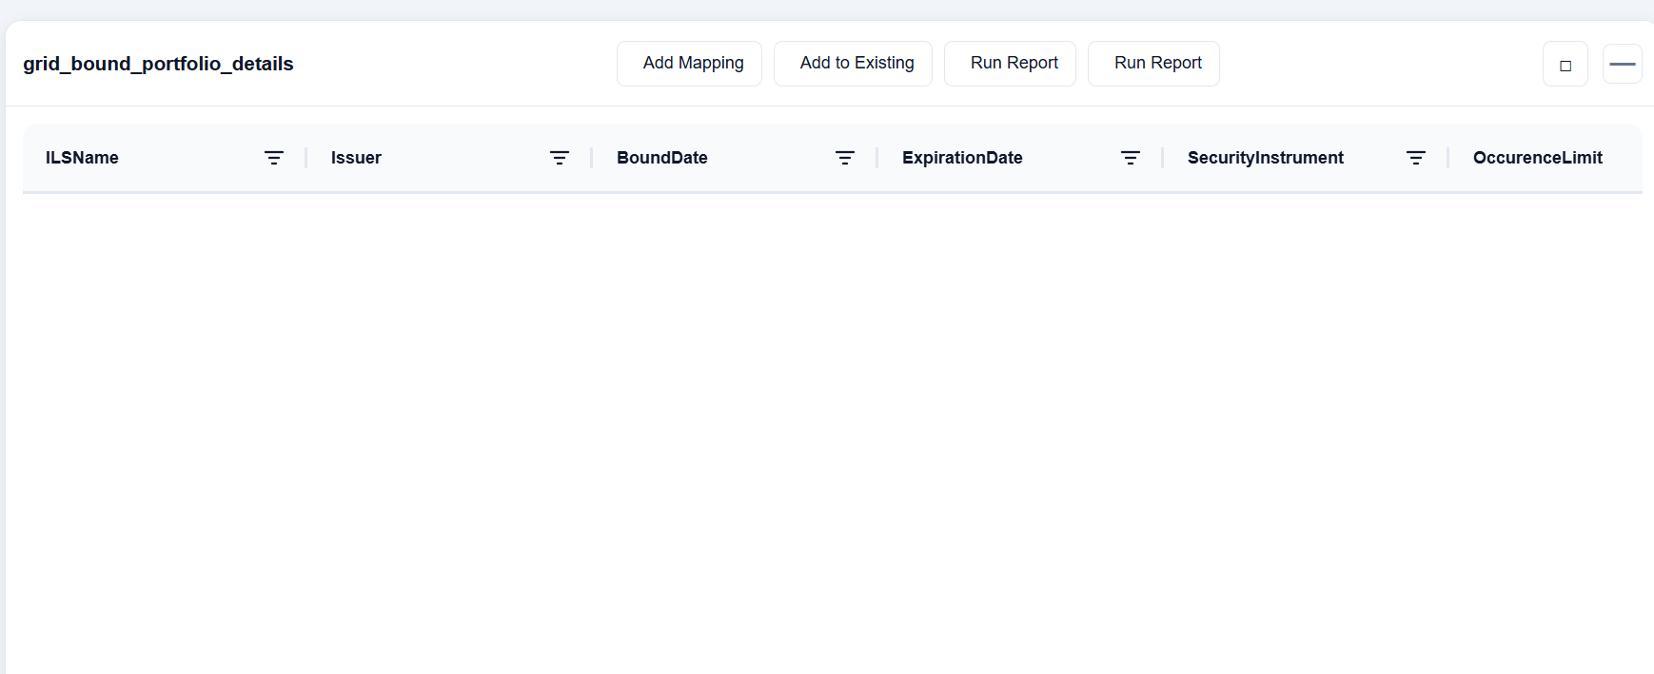
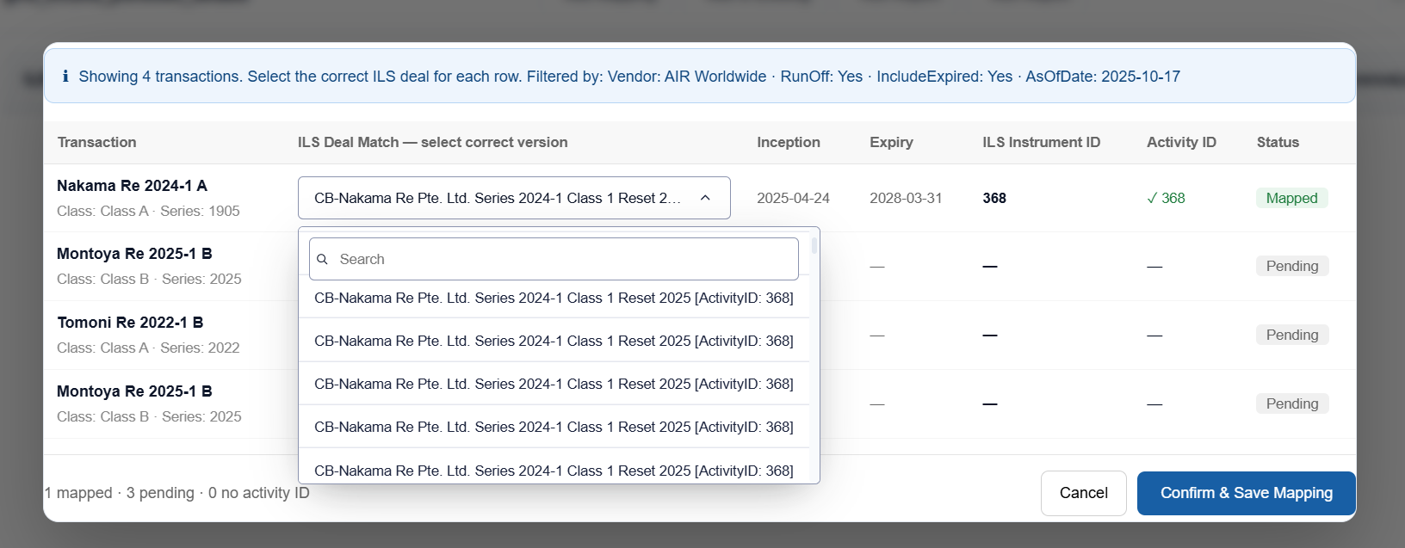
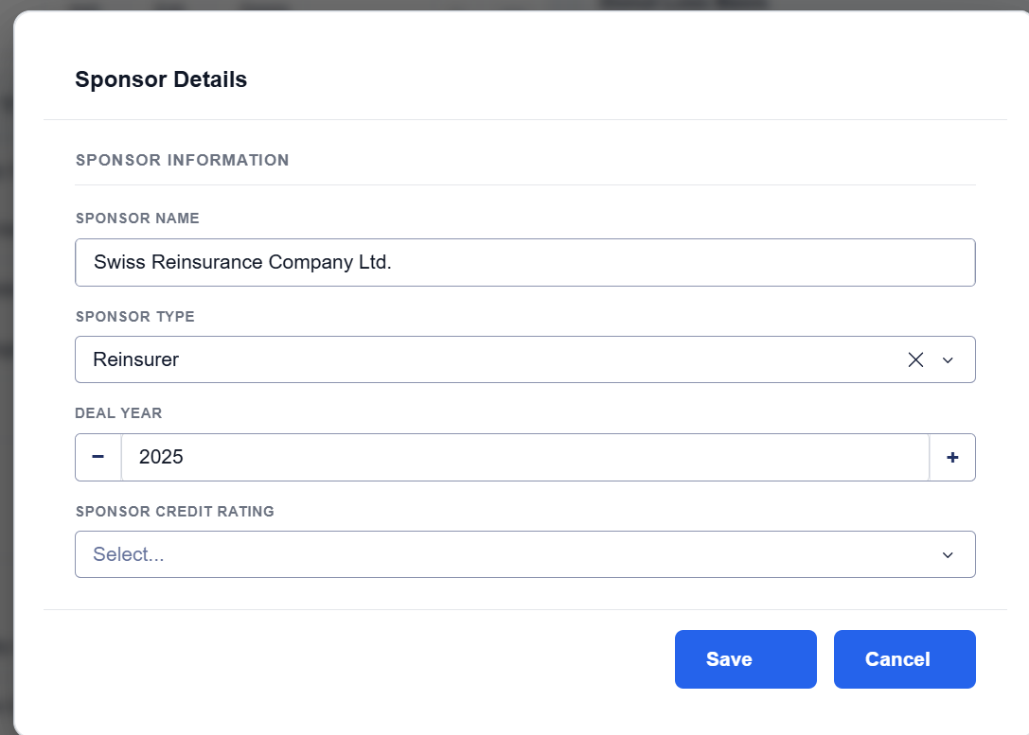
Mandatory
Remove

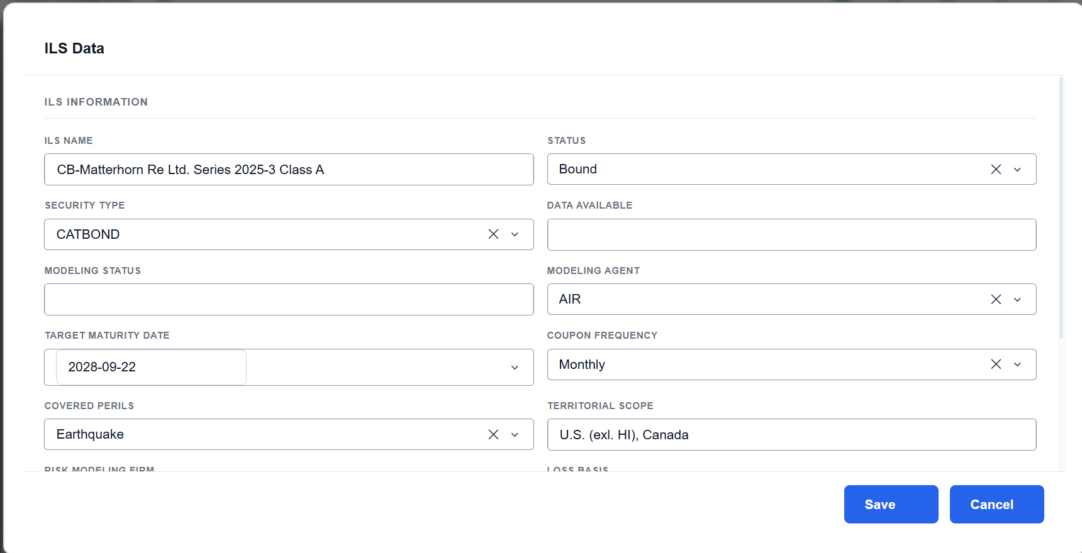
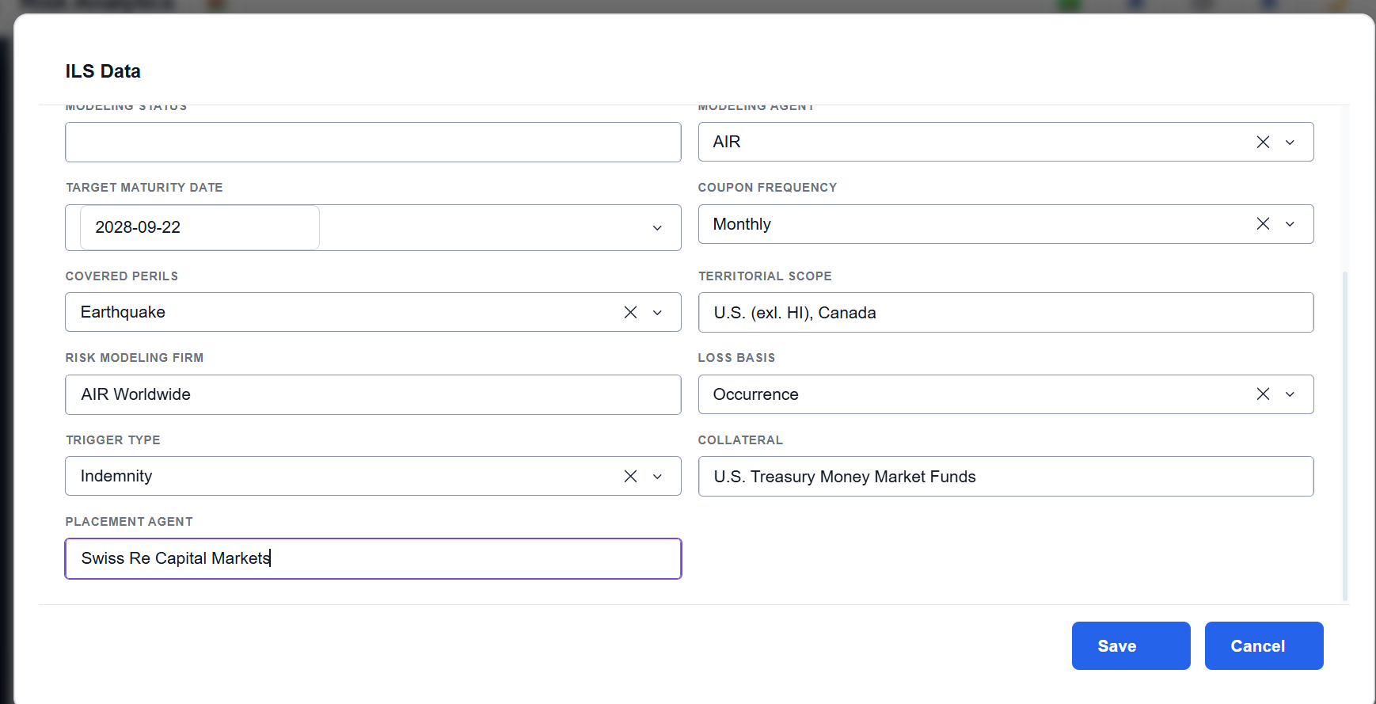

This should be Reinsurnace type code not security tpe

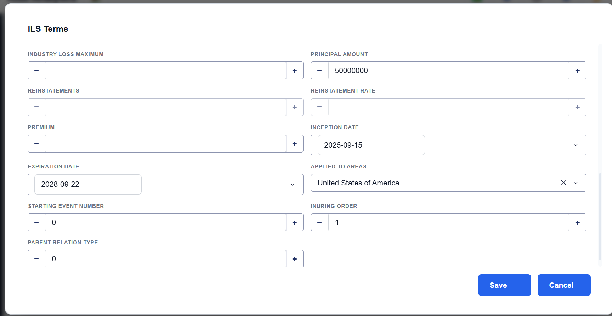
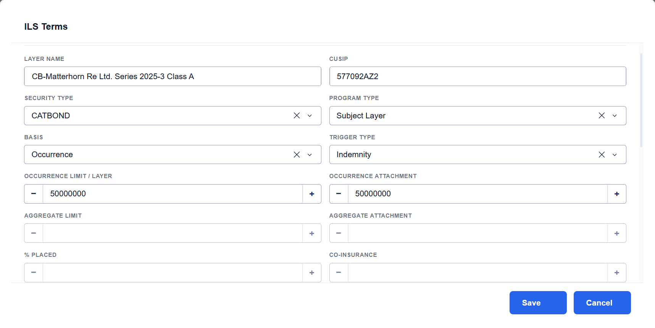

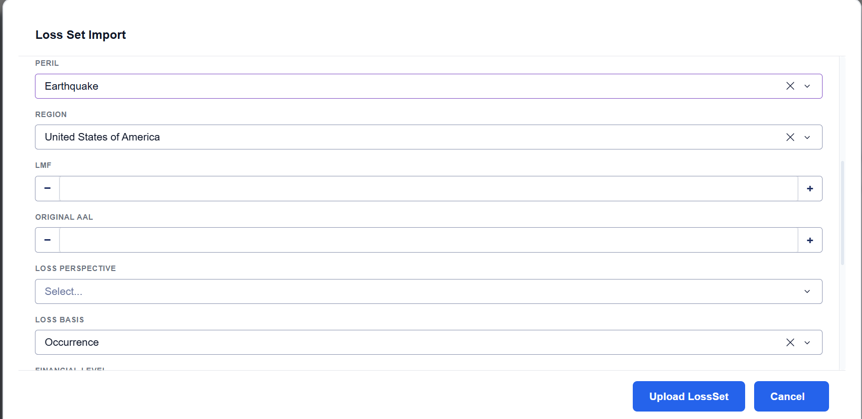

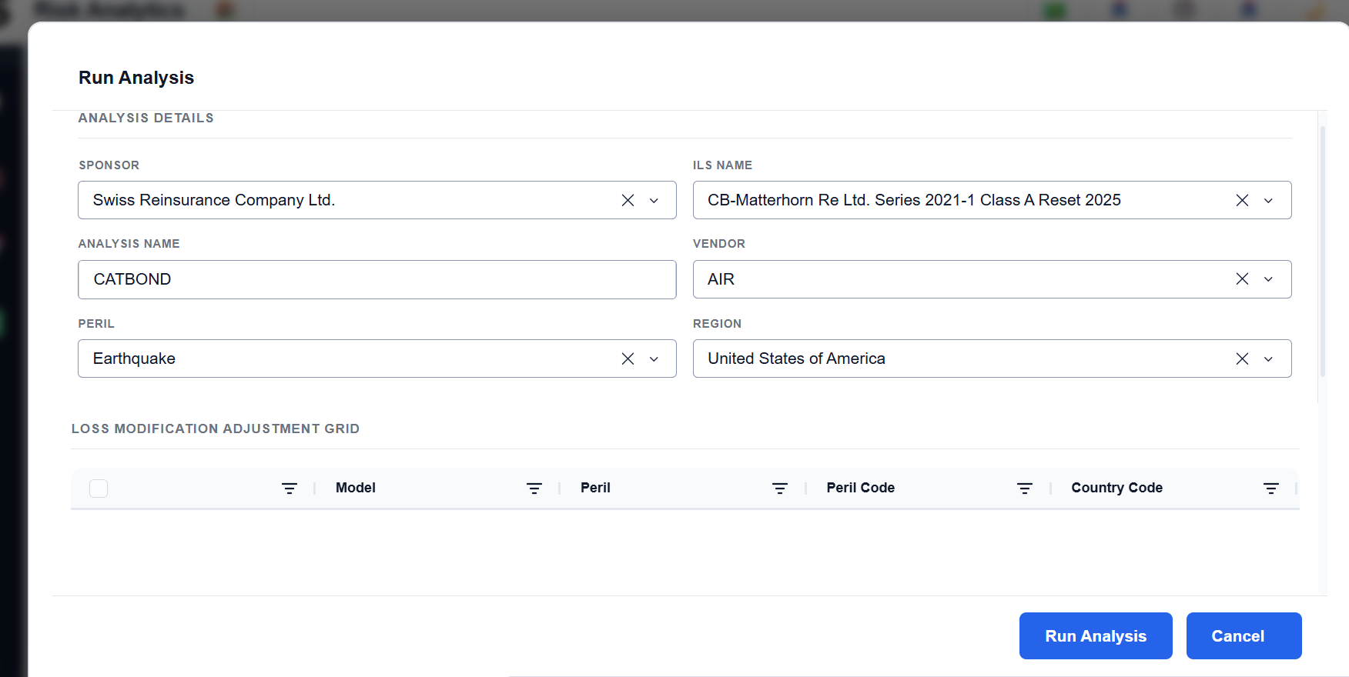

 | what is the purose of capturing Peril and Region here?

 | Why this loss modication is diabled though I select LMF=1 while importing loss set

